BUG 1 NEW TRANSFER
Bug ID | ID number | #1
 | Title | new transfer>>add note>>add money >> can not write the amount of money as you want
 | Reporter | Islam Heshmat
 | Submit Date | 2020-05-12
Bug overview | Summary | When I click on new transffer then I click on add note then I try to add the amount of money the phone keyboard cover the the application keyboard
 | Screenshot | 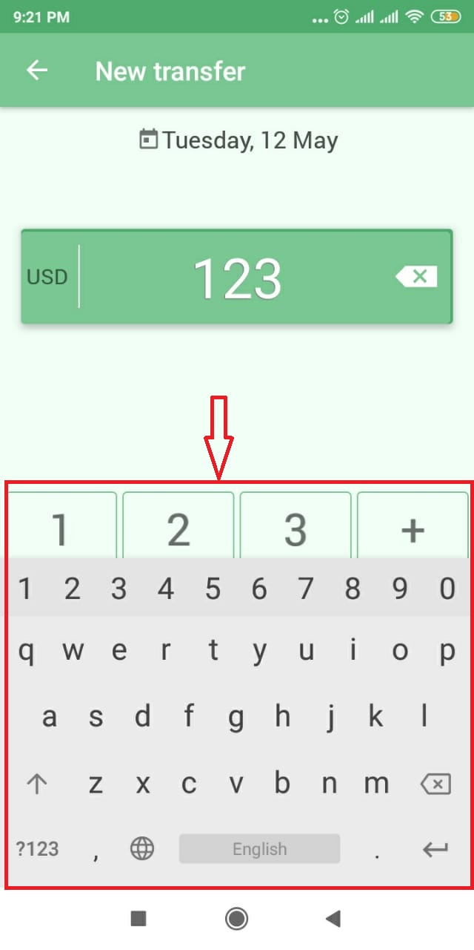
Environment | Platform | Xiaomi redmi 5
 | Operating System | Android 8
Bug details | Steps to reproduce | 1-open the APP >> 2-click on the two arrows for new transffer 3- click on add note and write anything 4- try to write the money in its section
 | Expected result | I expected the phone keyboard to be closed so I can be able to use the phone keyboard to write the amount of money
 | Actual result | The phone keyboard did not close so I coudent write the amount of money that I want
Bug tracking | Severity | High
 | Priority | Medium
Notes | check this video | https://drive.google.com/file/d/1iS-MBeYXmYz8cBtNwB9CFvbrBxP_M6gy/view?usp=sharing

BUG2money more than what i have
Bug ID | ID number | #2
 | Title | spend money more than what I have in the account
 | Reporter | Islam Heshmat
 | Submit Date | 2020-05-12
Bug overview | Summary | When I try to spend money more than what i already have I should find an alert message to remind me that i do not have this amount of money check the attached screenshot its from another app called المصاريف
 | Screenshot | 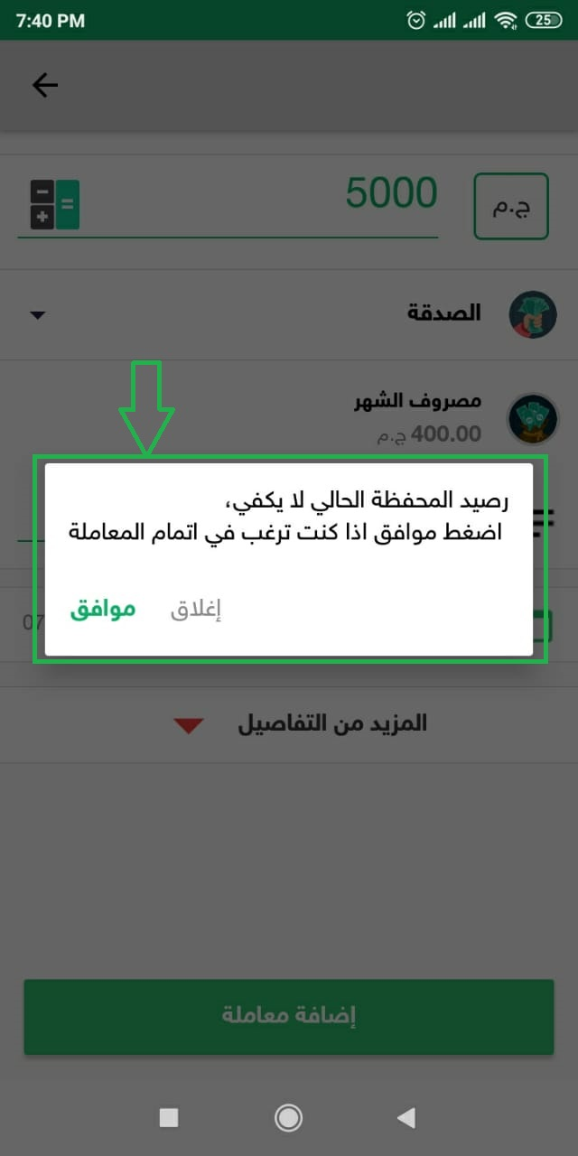
Environment | Platform | Xiaomi redmi 5
 | Operating System | Android 8
Bug details | Steps to reproduce | 1-open the APP 2-click on the income sign to add amount of money to your account add for example 500 3-click on the red - sign to spend any amount of money more than 500 for example 600
 | Expected result | I expected to see an alert message to remind me this money is already over what I already have right now do you want to complete this action ?
 | Actual result | The process goes in a normal way making the money in my account in negative
Bug tracking | Severity | Medium
 | Priority | Medium
Notes | check this video | https://drive.google.com/file/d/1iUEKzAroFPMZ i7KxgD3AjrhmF0PQ3x94/view

BUG 5 lists cover each other
Bug ID | ID number | #5
 | Title | To lists cover each other
 | Reporter | Islam Heshmat
 | Submit Date | 2020-05-12
Bug overview | Summary | when i click on the the kebab menu button then i click on strawberry menu button the two lists cover each other for less than a second
 | Screenshot | 
Environment | Platform | Xiaomi redmi 5
 | Operating System | Android 8
Bug details | Steps to reproduce | 1-open the APP 2-click on the kebab menu button 3-click on the kebab strawberry button
 | Expected result | I expected if I opened the kebab menu then I opened the strawberry menu to see the kebab menu closes first then open the strawberry menu
 | Actual result | when I opened the strawberry menu it covered the kebab menu for less than one second
Bug tracking | Severity | low
 | Priority | Medium
Notes | check this video | https://drive.google.com/open?id=1jDL3Sqx7CeJKXtOgV0Ruoz9ybIP9FVJF

